Age
Year | 15 to 44 years | 18 years and over | 65 years and over
Formula | Sum of all between 15-44 years | Total population - (under 18 years male and female) |  | No ACS1/subject, so Combine
2005 | B01001_006E,B01001_007E,B01001_008E,B01001_009E,B01001_010E, B01001_011E,B01001_012E,B01001_013E,B01001_014E,B01001_030E,B01001_031E, B01001_032E,B01001_033E,B01001_034E, B01001_035E, B01001_036E, B01001_037E, B01001_038E | B01001_001E -sum(B01001_003E,B01001_004E, B01001_005E, B01001_006E, B01001_027E, B01001_028E, B01001_029E, B01001_030E) | B01001_020E, B01001_021E, B01001_022E, B01001_023E, B01001_024E, B01001_025E,B01001_044E, B01001_045E, B01001_046E, B01001_047E, B01001_048E, B01001_049E
2006 | B01001_006E,B01001_007E,B01001_008E,B01001_009E,B01001_010E, B01001_011E,B01001_012E,B01001_013E,B01001_014E,B01001_030E,B01001_031E, B01001_032E,B01001_033E,B01001_034E, B01001_035E, B01001_036E, B01001_037E, B01001_038E | B01001_001E -sum(B01001_003E,B01001_004E, B01001_005E, B01001_006E, B01001_027E, B01001_028E, B01001_029E, B01001_030E) | B01001_020E, B01001_021E, B01001_022E, B01001_023E, B01001_024E, B01001_025E,B01001_044E, B01001_045E, B01001_046E, B01001_047E, B01001_048E, B01001_049E
2007 | B01001_006E,B01001_007E,B01001_008E,B01001_009E,B01001_010E, B01001_011E,B01001_012E,B01001_013E,B01001_014E,B01001_030E,B01001_031E, B01001_032E,B01001_033E,B01001_034E, B01001_035E, B01001_036E, B01001_037E, B01001_038E | B01001_001E -sum(B01001_003E,B01001_004E, B01001_005E, B01001_006E, B01001_027E, B01001_028E, B01001_029E, B01001_030E) | B01001_020E, B01001_021E, B01001_022E, B01001_023E, B01001_024E, B01001_025E,B01001_044E, B01001_045E, B01001_046E, B01001_047E, B01001_048E, B01001_049E
2008
2009 | B01001_006E,B01001_007E,B01001_008E,B01001_009E,B01001_010E, B01001_011E,B01001_012E,B01001_013E,B01001_014E,B01001_030E,B01001_031E, B01001_032E,B01001_033E,B01001_034E, B01001_035E, B01001_036E, B01001_037E, B01001_038E | B01001_001E -sum(B01001_003E,B01001_004E, B01001_005E, B01001_006E, B01001_027E, B01001_028E, B01001_029E, B01001_030E) | B01001_020E, B01001_021E, B01001_022E, B01001_023E, B01001_024E, B01001_025E,B01001_044E, B01001_045E, B01001_046E, B01001_047E, B01001_048E, B01001_049E
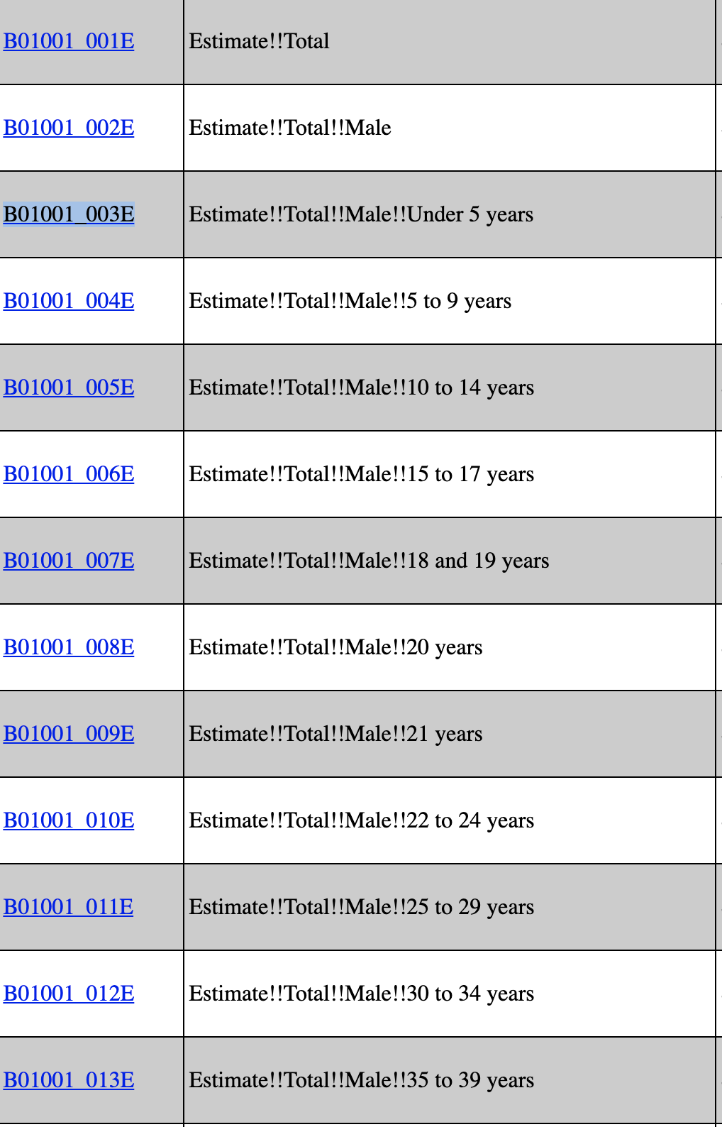
2010 | S0101_C01_023E | S0101_C01_025E | S0101_C01_028E
2011 | S0101_C01_023E | S0101_C01_025E | S0101_C01_028E
2012 | S0101_C01_023E | S0101_C01_025E | S0101_C01_028E
2013 | S0101_C01_023E | S0101_C01_025E | S0101_C01_028E
2014 | S0101_C01_023E | S0101_C01_025E | S0101_C01_028E
2015 | S0101_C01_023E | S0101_C01_025E | S0101_C01_028E
2016 | S0101_C01_023E | S0101_C01_025E | S0101_C01_028E
2017 | S0101_C02_024E | S0101_C02_026E | S0101_C02_030E
2018 | S0101_C02_024E | S0101_C02_026E | S0101_C02_030E

